Final
 |  |  | 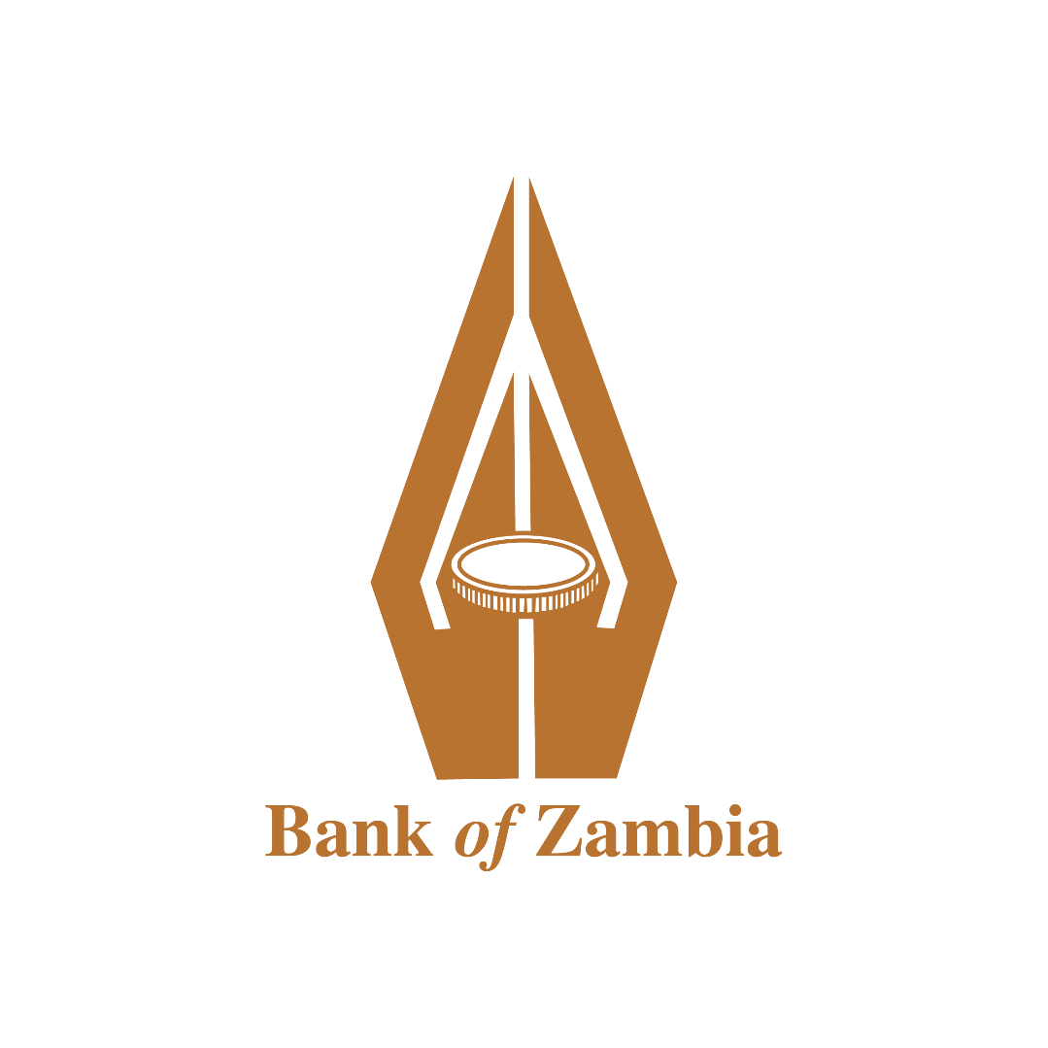
 | INTEREST RATES AND BANK CHARGES FOR PERSONAL ACCOUNTS AND OTHER RETAIL ACCOUNTS AS AT 30 June 2019
 | AVERAGE INTEREST RATES ON DEPOSITS (EXPRESSED AS ANNUAL RATES)

 | SNo. | BANK | Savings Account (%) |  | Time Deposits of K10,000 or above (%)
 |  |  | Less than K1,000 | More than K1,000 | 30 Days Tenure | 60 Days Tenure | 90 Days Tenure | 180 Days Tenure | 360 Days Tenure
 | 1 | AB Bank Zambia Limited | 6.00 | 6.00 | 9.50 | 10.00 | 12.5% - 14% | 15% - 16% | 18% - 21%
 | 2 | Access Bank Zambia Limited | 2.50 | 2.50 | 9.00 | 9.25 | 9.50 | 10.50 | 13.50
 | 3 | Atlas Mara Zambia | 2.50 | 3.00 | 8.50 | 9.25 | 9.50 | 11.50 | 13.00
 | 4 | Bank of China Zambia Limited | Max 1% | Max 1% | NA | NA | 1.50 | 2.50 | 3.50
 | 5 | Barclays Bank Zambia Plc | 1.00 | Various | 2.00 | Nil | 6.50 | 8.00 | 9.50
 | 6 | Cavmont Bank Limited | 3.00 | 3.00 | 7.00 | 8.00 | 10.00 | 11.00 | 14.00
 | 7 | Citibank Zambia Limited | N/A | N/A | Max. 11.57% | Max. 11.93% | Max. 16.25% | Max. 16.00% | Max. 26.50%
 | 8 | Ecobank Zambia Limited | 5.50 | 5.50 | 10.00 | 10.50 | 11.00 | 11.50 | 13.00
 | 9 | First Alliance Bank Zambia Limited | 6.00 | 6.00 | 6.00 | 8.00 | 8.00 | 9.00 | 14.00
 | 10 | First Capital Bank Zambia Limited | 3.00 | 3.00 | 9.00 | 9.50 | 10.50 | 11.00 | 14.00
 | 11 | First National Bank Zambia Limited | 3.31 | 5.01 | 5.49 | 10.03 | 7.04 | 11.70 | 19.02
 | 12 | Indo-Zambia Bank Limited | 2.00 | 6.00 | 5.00 | 5.00 | 6.00 | 7.00 | 8.00
 | 13 | Investrust Bank Plc | 3.00 | 5.00 | 5.00 | 7.00 | 8.00 | 9.50 | 10.50
 | 14 | Stanbic Bank Zambia Limited | NIL | 1.50 | 9.00 | 10.00 | 11.00 | 12.00 | 14.00
 | 15 | Standard Chartered Bank Zambia Plc | 1.00 | 2.00 | 7.00 | 9.00 | 11.00 | 11.00 | 20.50
 | 16 | United Bank for Africa (Z) Limited | 3.00 | 3.00 | 9.00 | 10.00 | 11.00 | 12.00 | 15.00
 | 17 | Zambia Industrial Commercial Bank | 2.75 | 5.25 | 7.00 | 9.00 | 10.00 | 11.25 | 15.00
 | 18 | Zambia National Commercial Bank Plc | 2.00 | 2.00 | 8.00 | 9.00 | 10.00 | 13.00 | 16.00

 | INTEREST RATES AND BANK CHARGES FOR PERSONAL ACCOUNTS AND OTHER RETAIL ACCOUNTS AS AT 30 June 2019
 | AVERAGE LENDING INTEREST RATES (EXPRESSED AS ANNUAL RATES )

 | SNo. | BANK | PERSONAL LOANS (%) |  |  |  | MORTGAGE LOANS (%) |  | LENDING TO SMEs (%)
 |  |  | Salary Backed |  | Other Loans
 |  |  | Margin above BOZ Rate | Lending Interest Rate | Margin above BOZ Rate | Lending Interest Rate | Margin above BOZ Rate | Lending Interest Rate | Margin above BOZ Rate | Lending Interest Rate
 | 1 | AB Bank Zambia Limited | 20.08 | 30.00 | N/A | N/A | N/A | N/A | 67.71 | 77.63
 | 2 | Access Bank Zambia Limited | 19.53 | 29.78 | 19.44 | 29.69 | N/A | N/A | 15.65 | 25.40
 | 3 | Atlas Mara Zambia | 16.33 | 26.08 | 16.33 | 26.08 | N/A | N/A | 16.36 | 26.11
 | 4 | Bank of China Zambia Limited | NIL | 10.25 | NA | NA | NA | NA | NA | NA
 | 5 | Barclays Bank Zambia Plc | 16.50 | 25.75 | NA | NA | 11.75 | 21.50 | NA | NA
 | 6 | Cavmont Bank Limited | 19.50 | 29.75 | 19.50 | 29.75 | 14.00 | 24.25 | 19.50 | 29.75
 | 7 | Citibank Zambia Limited | N/A | N/A | N/A | N/A | N/A | N/A | N/A | N/A
 | 8 | Ecobank Zambia Limited | 19.50 | 29.75 | 19.50 | 29.75 | NIL | NIL | 19.50 | 29.75
 | 9 | First Alliance Bank Zambia Limited | 20.25 | 30.50 | 20.25 | 28.50 | 19.25 | 28.50 | 19.25 | 28.50
 | 10 | First Capital Bank Zambia Limited | 22.00 | 32.25 | 22.00 | 32.25 | NIL | NIL | 22.00 | 32.25
 | 11 | First National Bank Zambia Limited | 15.99 | 25.74 | 16.61 | 26.36 | 13.05 | 22.80 | 14.75 | 24.50
 | 12 | Indo-Zambia Bank Limited | 20.50 | 30.75 | 20.50 | 30.75 | 20.50 | 22.25 | 20.50 | 29.75
 | 13 | Investrust Bank Plc | 24.50 | 30.00 | 24.50 | 30.00 | N/A | N/A | 24.50 | 30.00
 | 14 | Stanbic Bank Zambia Limited | 18.25 | 28.50 | 19.25 | 29.50 | 16.50 | 26.75 | 17.75 | 28.00
 | 15 | Standard Chartered Bank Zambia Plc | 17.50 | 27.75 | 17.50 | 27.75 | 10.50 | 20.75 | 15.50 | 25.75
 | 16 | United Bank for Africa (Z) Limited | 19.75 | 30.00 | 19.75 | 30.00 | 5.00 | 15.25 | 19.25 | 30.00
 | 17 | Zambia Industrial Commercial Bank | 18.45 | 28.70 | 18.45 | 28.70 | N/A | N/A | 17.42 | 27.67
 | 18 | Zambia National Commercial Bank Plc | 15.96 | 25.85 | 17.50 | 27.41 | 12.68 | 22.60 | 15.85 | 25.76

 | INTEREST RATES AND BANK CHARGES FOR PERSONAL ACCOUNTS AND OTHER RETAIL ACCOUNTS AS AT 30 June 2019
 | MONTHLY MAINTENANCE FEES, MINIMUM BALANCE AND PENALTY FEES FOR BALANCES BELOW MINIMUM

 | SNo. | BANK | MONTHLY MAINTENANCE FEES (ZMW) |  |  |  | MINIMUM BALANCE (ZMW) |  | PENALTY FEES FOR BALANCES BELOW MINIMUM (ZMW)
 |  |  | Current Account |  | Savings Account
 |  |  | Basic Type | High-end Market Type | Basic Type | High-end Market Type | Basic Type | High-end Market Type | Basic Type | High-end Market Type
 | 1 | AB Bank Zambia Limited | FREE | 30.00 | FREE | FREE | K30-SAVINGS ACC; K10-KIDS SAVINGS ACC | NIL | K30-SAVINGS ACC; K10-KIDS SAVINGS ACC | NIL
 | 2 | Access Bank Zambia Limited | NIL | NIL | NIL | NIL | 50.00 | 1000.00 | NIL | NIL
 | 3 | Atlas Mara Zambia | 50.00 | 300.00 | N/A | N/A | N/A | N/A | N/A | N/A
 | 4 | Bank of China Zambia Limited | 25.00 | 25.00 | FREE | FREE | 500.00 | 500.00 | 75.00 | 75.00
 | 5 | Barclays Bank Zambia Plc | 30.00 | 250.00 | NIL | NIL | 500.00 | 100000.00 | NIL | NIL
 | 6 | Cavmont Bank Limited | 70.00 | 100.00 | NA | 70.00 | 30.00 | 1000.00 | 50.00 | 50.00
 | 7 | Citibank Zambia Limited | K150 on ZMW Accounts $15 on Foreign Currency Accounts | K150 on ZMW Accounts $15 on Foreign Currency Accounts | N/A | N/A | N/A | N/A | N/A | N/A
 | 8 | Ecobank Zambia Limited | 50.00 | 200.00 | NIL | NIL | 50.00 | 1000.00 | NIL | NIL
 | 9 | First Alliance Bank Zambia Limited | 25 ZMW PER MONTH WHERE MIN BAL OF USD 1,000 IS NOT MAINTAINED. | 25.00 | NIL | NIL | 250.00 | 1000.00 | 25.00 | 25.00
 | 10 | First Capital Bank Zambia Limited | 125.00 | 150.00 | NA | 75.00 | 1000.00 | 5000.00 | 150.00 | 200.00
 | 11 | First National Bank Zambia Limited | 27.00 | 140.00 | FREE | N/A | 50.00 | N/A | N/A | N/A
 | 12 | Indo-Zambia Bank Limited | K100 p.m | FREE | FREE | K30 p.m | 40.00 | 500.00 | 25.00 | 25.00
 | 13 | Investrust Bank Plc | FREE | N/A | FREE | N/A | FREE | N/A | 10.00 | N/A
5 | 14 | Stanbic Bank Zambia Limited | 49.00 | 300.00 | NIL | NIL | NIL | NIL | NIL | NIL
 | 15 | Standard Chartered Bank Zambia Plc | 50.00 | 70.00 | N/A | N/A | 500.00 | Savings 1,500.00 Current K 500.00 | 50.00 | 50.00
 | 16 | United Bank for Africa (Z) Limited | 35.00 | 200.00 | NIL | NIL | 40.00 | 7500.00 | No interest paid | No interest paid
 | 17 | Zambia Industrial Commercial Bank | 25.00 | 65.00 | NIL | NIL | 0 - Current Account, K100.00 - Savings Account | 0 - Current Account, K500.00 - Savings Account | NIL | NIL
 | 18 | Zambia National Commercial Bank Plc | K60.00 for Preferred K110.00 for SME - Business Advantage | K300.00 club fee: Free for balances of K150,000 and above for Private, K250.00 for SME - Ultra Business | Free for Preferred, N/A for both Business Advantage and Ultra Business | Free for Private, N/A for both Business Advantage and Ultra Business | K350.00 for Preferred, N/A for both Business Advantage and Ultra Business | K500.00 for Private, N/A for both Business Advantage and Ultra Business | N/A | N/A

 | INTEREST RATES AND BANK CHARGES FOR PERSONAL ACCOUNTS AND OTHER RETAIL ACCOUNTS AS AT 30 June 2019
 | WITHDRAWAL, ATM AND DEPOSIT, BALANCE INQUIRIES AND FUNDS TRANSFERS

 | SNo. | BANK | WITHDRAWAL (ZMW) |  |  |  | DEPOSIT (ZMW) |  |  | FUNDS TRANSFERS (ZMW)
 |  |  | Over the counter | ATM Per Transaction |  |  | Cash | Cheque |  | Electronic |  | Internal | Telegraphic
 |  |  |  | Own Bank | Other banks | International | Over The Counter | Own Bank | Other Banks | Inward Clearance | Outwards Clearance
 | 1 | AB Bank Zambia Limited | 0.40%, K4 min, 2 Withdraws on Saving Acc free, 0.65% on bulk cash withdrawals on Savings Acc max K1800 | N/A | N/A | N/A | NIL | FREE | 30.00 | FREE | 0.2% min 12.00; max.120.00 | FREE | 0.60% Min. 50 USD,Max.200 USD (our), +70 USD correspodent bank fee (our)
 | 2 | Access Bank Zambia Limited | 15.00 | 5.00 | 5.00 | 10.00 | NIL | NIL | NIL | NIL | 1% min USD30 max USD250 | NIL | USD30
 | 3 | Atlas Mara Zambia | Min 50.00 Max 150.00 | 7.00 | N/A | N/A | N/A | N/A | N/A | NIL | 1% Min USD 35 Max 150 | NIL | 1% Min USD 35 Max 150
 | 4 | Bank of China Zambia Limited | FREE | NA | NA | NA | FREE | FREE | FREE | FREE | 70.00 | FREE | 0.8%, MIN USD30.00, MAX 250.00
 | 5 | Barclays Bank Zambia Plc | NIL | 8.00 | 20.00 | 20.00 | NIL | NIL | NIL | NIL | 1% min zmk 151.5 (includes USD 15 swift charge) | FREE | 1% min zmk 151.5 (includes USD 15 swift charge)
 | 6 | Cavmont Bank Limited | 35.00 | 7.00 | 10.00 | 40.00 | FREE | FREE | FREE | N/A | 50.00 | N/A | USD30
 | 7 | Citibank Zambia Limited | NIL | N/A | N/A | N/A | NIL | NIL | NIL | NIL | 25.00 DDACC, 60.00 RTGS | NIL | Electronic - 1%, Min $50, Max $150 Manual - 1.5%, Min $75, Max $300
 | 8 | Ecobank Zambia Limited | FREE | 5.00 | 10.00 | 13.00 | FREE | FREE | FREE | FREE | 1% min USD30.00 Max USD100.00 | FREE | 1%min. USD50-max USD150
 | 9 | First Alliance Bank Zambia Limited | NIL | 5.00 | 7.50 | 25.00 | NIL | NIL | NIL | NIL | 50.00 | NIL | 0.5 OF T.T AMT MIN USD 60 MAX USD 250
 | 10 | First Capital Bank Zambia Limited | N/A | 7.00 | N/A | N/A | N/A | N/A | N/A | NIL | 60.00 | NIL | 90.00
 | 11 | First National Bank Zambia Limited | 140.00 if amount can otherwise be drawn at ATM | 8.00 | 19.50 | 35.00 | FREE | FREE | FREE | FREE | Free on Retail products, otherwise 6.00 | Free on Retail products and Free on electronic channels; otherwise Branch 80.00 | 1.0% of value. Min 35 max $150
 | 12 | Indo-Zambia Bank Limited | FREE | 6.00 | 12.00 | 25.00 | FREE | FREE | FREE | FREE | DDACC K25 and RTGS K40 | FREE | 0.6% of amount, min $20 max $250 plus swift charge $30
 | 13 | Investrust Bank Plc | 50.00 | 8.00 | 15.00 | 25.00 | N/A | N/A | N/A | N/A | 60.00 | FREE | 350.00
 | 14 | Stanbic Bank Zambia Limited | 0.0 (120.0 - within ATM limit) | 8.00 | 15.00 | 20.00 | NIL | NIL | NIL | NIL | 30.00 | 61 (for manual instruction) | 1% min USD35, max USD70 plus VAT
 | 15 | Standard Chartered Bank Zambia Plc | 100.00 | 8.00 | N/A | 25.00 | NIL | NIL | NIL | NIL | 1% MIN K 10.00, MAX K100.00 | NIL | 1% MIN USD 50.00, MAX USD250
 | 16 | United Bank for Africa (Z) Limited | FREE | 4.00 | NIL | 2.8% of transaction amount | FREE | FREE | FREE | FREE | 50.00 | FREE | 0.5% (min $50 max $130)
 | 17 | Zambia Industrial Commercial Bank | 7.00 | N/A | N/A | N/A | NIL | NIL | NIL | NIL | DDACC K15.00 , RTGS K40.00 | ZMW 5.00 (Third Part Account) | (1% of amount, Min $20.00 Max $250) + $30.00 Swift charge + $ 30.00 correspondence charges
 | 18 | Zambia National Commercial Bank Plc | K100.00 (OTC cash withdrawal where the amount and or denominations being withdrawn can be dispensed by the ATM) for Preferred, Free for Private, Free for both Business Advantage and Ultra Business | K9.00 Preferred (Zanaco ATMs), Free for Private (Zanaco ATMs), K10.00 for both Business Advantage and Ultra Business (Zanaco ATMs), K15.00 for both Preferred & Private (Other Banks' ATMs - Local), K20.00 for both Business Advantage and Ultra Business (Other Banks' ATMs - Local) | N/A | K20.00 + 1.5% , max K 50.00 for both Preferred & Private, K15.00 + 1.5% max K50.00 SME -Business Advantage K20.00 + 1.5%, max K50.00 SME - Ultra Business | Free for Preferred, Private & both Business Advantage and Ultra Business | Free for Preferred, Free for Private, K10.00 for both Business Advantage and Ultra Business | N/A | N/A | DDACC DDACC K50.00 for Preferred & Private DDACC K50.00 for both Business Advantage & Ultra Business RTGS RTGS K60.00 for Preferred & Private RTGS K50.00 for Business Advantage RTGS K80.00 for Ultra Business | Free for Preferred, Free for Private, K15.00 electronic Payflexi for Ultra Business K7.50 electronic Payflexi for Business Advantage | 1% of amount, min $15, max $60 or Kwacha equivalent for Preferred and Private, 1% of amount, min $45, max $100 for Ultra Business 0.75% of amount, min $45, max $150 for Business Advantage

 | INTEREST RATES AND BANK CHARGES FOR PERSONAL ACCOUNTS AND OTHER RETAIL ACCOUNTS AS AT 30 June 2019
 | PAYMENTS FOR OTHER SERVICES AND UNPAID CHEQUES

 | SNo. | BANK | PAYMENTS FOR OTHER SERVICES |  |  |  |  |  |  |  | UNPAID CHEQUES (ZMW)

 |  |  | Certificate of Balance | Replacement of lost ATM card | Bankers' cheque | Stop cheque payment | Standing order | Interim statements per page | Duplicate statement per page | Photocopying per page | Refer to Drawer | Uncleared effects | Drawing against uncleared effects
 | 1 | AB Bank Zambia Limited | 60.00 | N/A | K100; K200-Non Clients | 200.00 | 20.00 | FREE | 30.00 standard | N/A | BOZ Charges | N/A | N/A
 | 2 | Access Bank Zambia Limited | 250.00 | 80.00 | 80.00 | 80 with police report, 350 with no police report | NIL | 25.00 | 50.00 | NIL | 510(Individual) and 840 (Corporate) | NIL | 2% of amount drawn ammount
 | 3 | Atlas Mara Zambia | 200.00 | N/A | 80.00 for customers,100.00 for Non customers | 200.00 | 60.00 | 45.00 | 45.00 | 20.00 | 510.00 personnal /840.00 SME & Business Banking | 510.00 personnal /840.00 SME & Business Banking | 250.00 administration Fee plus interest @ BOZ policy + Margin
 | 4 | Bank of China Zambia Limited | 200.00 | NA | Customer 70.00 ;Non-customer 200.00 | FREE | FREE | One free statement per month | FREE | 5.00 | NA | NA | NA
 | 5 | Barclays Bank Zambia Plc | 250.00 | 85.00 | 150.00 | 350.00 | NIL | 20 per page | 50 per page | 20.00 per page | 540.00 | NIL | 350 per item
 | 6 | Cavmont Bank Limited | 300.00 | 80.00 | 104.00 | 200.00 | 20.00 | 50.00 | 50.00 | 10.00 | 840 (companies) 510 (individuals) | 840 (companies) 510 (individuals) | 5%
 | 7 | Citibank Zambia Limited | NIL | N/A | Electronic-K75.00, Manual- K100.00 | NIL | Within Zambia - K20.00 Outside Zambia - $15 | 30.00 | Within 3 months - K30.00 More than 3 months - K40.00 | N/A | NIL | As per Statutory Instrument K508 (Corporate) | N/A
 | 8 | Ecobank Zambia Limited | 175.00 | 70.00 | 100.00 | 120.00 | FREE | 20.00 | 35.00 | 20.00 | 510.00 | 840.00 | 750.00
...

